Sheet1
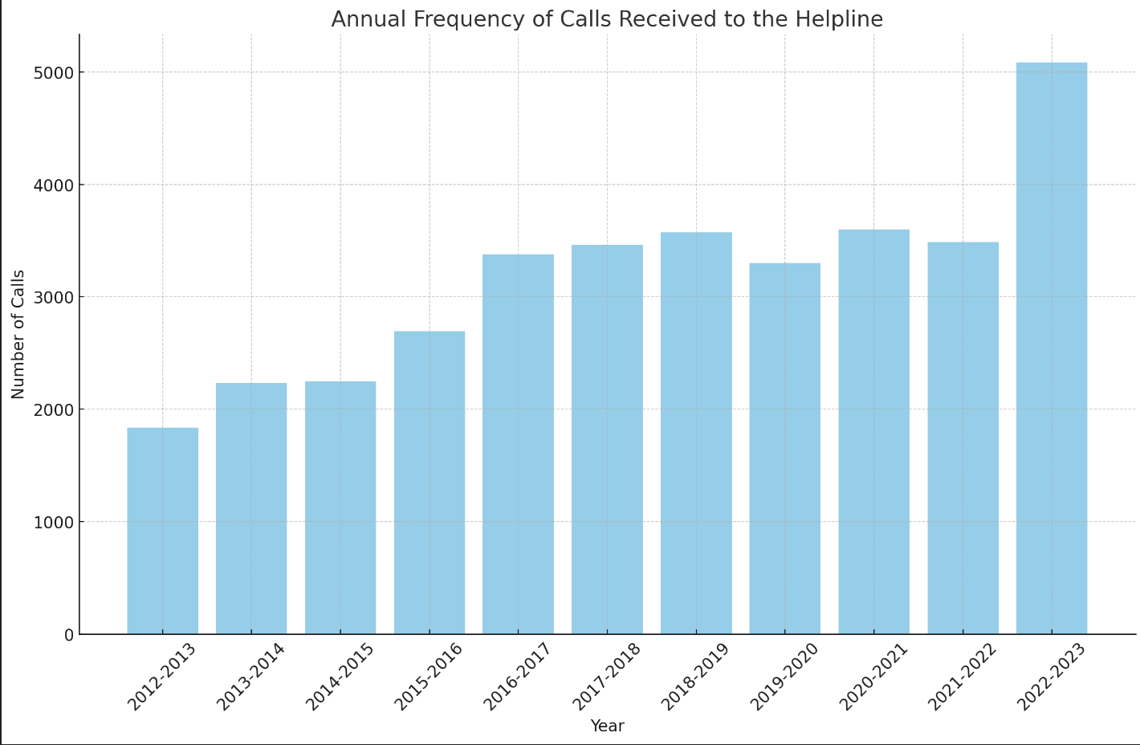
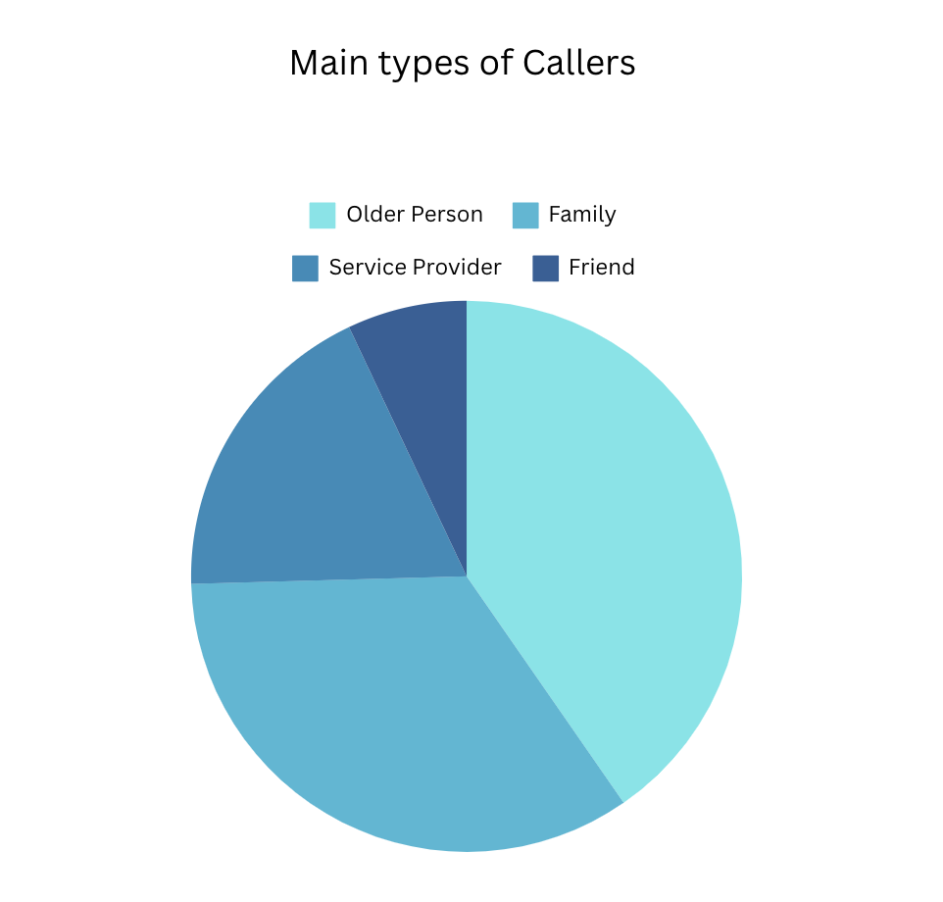
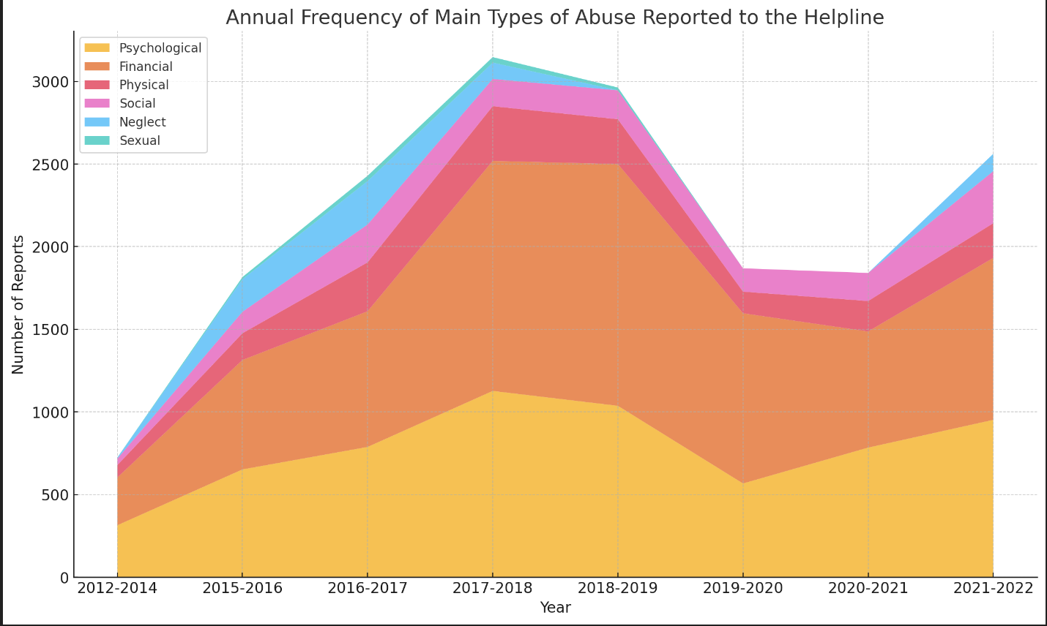
Annual Frequancy of main types of abuse reported to the helpline
Year | Psychological | Financial | Physical | Social | Neglect | Sexual
2012 - 2014 | 314 | 289 | 75 | 39 | 6 | 1
2015-2016 | 652 | 662 | 162 | 130 | 197 | 13
2016-2017 | 788 | 821 | 296 | 229 | 263 | 32
2017-2018 | 1127 | 1392 | 331 | 165 | 99 | 33
2018-2019 | 1037 | 1463 | 271 | 175 | NA | 17
2019 - 2020 | 567 | 1030 | 131 | 141 | NA | NA
2020-2021 | 784 | 703 | 184 | 170 | NA | NA
2021 – 2022 | 952 | 980 | 210 | 315 | 105 | NA

Annual Frequancy of calls received to the helpline
2012 - 2013 | 1,835
2013-2014 | 2,236 | 1,206 related to elder abuse issues |  | Provided 4,423 instances of information , 627 advices
2014-2015 | 2,246 |  |  | Provided 4,056 instances of information , 602 advices & opened 151 client cases
2015-2016 | 2,696 | 1,933 related to elder abuse issues |  | Provided 3,429 instances of information , 631 advices & opened 156 client cases |  |  |  | Mostly dealt with financial, psychological elder abuse
2016-2017 | 3,379 | 3,285 related to elder abuse issues |  | Provided 2,865 instances of information , 897 advices & opened 185 client cases |  |  |  | Mostly dealt with financial, psychological, adult children returning home issues
2017-2018 | 3,462 | 3,315 related to elder abuse issues |  | Provided 2,950 instances of information , 512 advices & opened 187 client cases |  |  |  | Mostly dealt with financial, psychological, adult children returning home issues
2018-2019 | 3,572 |  |  | Provided 783 advices, opened 169 client cases |  |  |  | Mostly dealt with financial, psychological elder abuse
2019-2020 | 3,303 |  |  | Provided 677 advices, opened 310 client cases |  |  |  | Mostly dealt with financial, psychological elder abuse
2020-2021 | 3,600 |  |  | Provided 619 advices, opened 226 client cases |  |  |  | Mostly dealt with financial, psychological elder abuse
2021-2022 | 3,487 |  |  | Provided 321 advices, opened 116 client cases |  |  |  | Mostly dealt with financial, psychological elder abuse
2022-2023 | 5,085 |  |  | Provided 382 advices, opened 134 client cases |  |  |  | Mostly dealt with financial, psychological elder abuse - 3559 callers

Types of Callers
 | 2016- 2017 | 2021-2022 |  | 2016-2017 | 75% callers were women |  | Significant number of callers from culterally and linguistically diverse backgrounds
family/friend | 47% | 39% family, 8% friend |  | 2017-2018 | 77% callers were women |  | Significant number of callers from culterally and linguistically diverse backgrounds
older person | 28% | 46% |  | 2018-2019 | 70% callers were women |  | Significant number of callers from culterally and linguistically diverse backgrounds
Service Provider | 24% | 21% |  | 2021-2022 | 96% clients claimed to live with a disability , 32% live in regional areas
Other | 1% |  |  | 2022-2023 | 95% clients claimed to live with a disability , 28% live in regional areas

Potential Graphs for Dashboard

